GP.0005
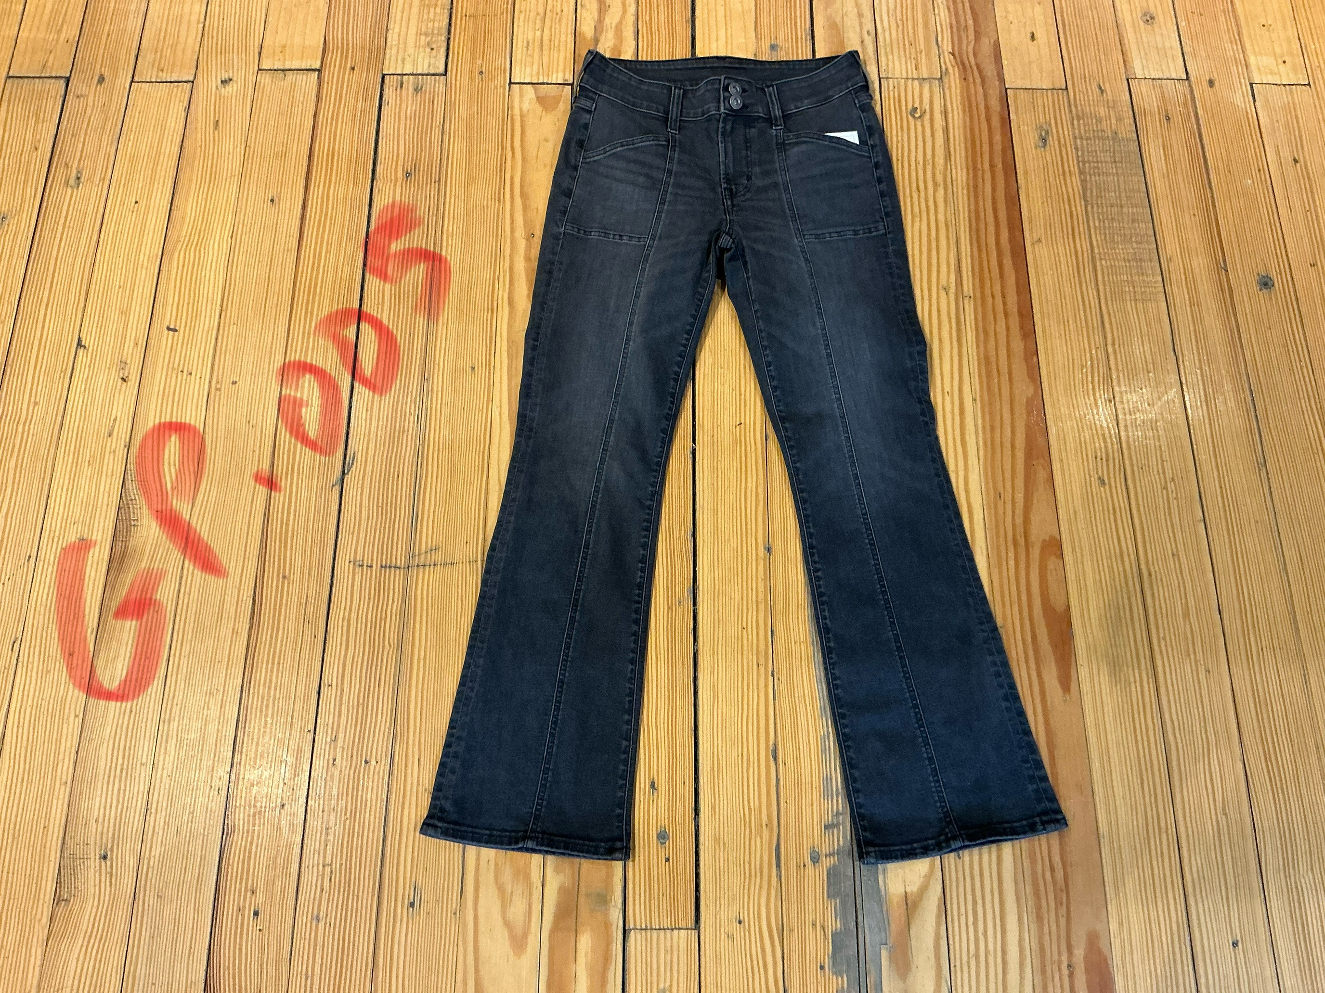
dcr
DATE | 2025-04-29 |  |  | WASH:CODE |  | GP.0005
FINISHER:CODE | WW BLACK BUENA |  |  |  |  | DRYPROCESS.AND WET PROCES
MODEL:CODE | D64833 FITTED MR
SAP CODE | 60211203
FABRIC:CODE | ARTISTIC:NEW HOUSE PCW OD BLACK
FABRIC:CODE | BLACK -AGI 15774-B SW/OD 229
QUANTITY | 3 PCS
ROLL:CODE | ROLL:44
FAB. WEIGHT
UNITS
TYPE MACHINE
DRYING TIME (Min.) :
COMMENTS:
PAGE |  |  |  | WASH:SUPERVISOR:ASSEAM/MODA
 | E | of | 1 |  |  |  | Supplier | PH Value
ACTION | TIME | TEMP | Liters | AMT | UNITS | Chemicals
WHISKERS | WASH ASPER.ORJ
HAND SAND

DESIZE | 10 | 40 | 30 | 1 | GRM | LAVA SPERSE
RINSE X2 | 2 | RT | 60 | 1 | GRM | LUBRICANT

COMBO ENZYM | 35 | 40 | 30 | 2 | GRM | NEUTRAL.ENZYM.ROYA ZYME
 |  |  |  | 0,5 | GRM | ROCELL NTE NEUTRAL ENZYM
RINSE | 2 | RT | 60 | 0.5 | GRM | ROSPERSE
 |  |  |  |  |  | PH-11
SULFUR BLEACH | 3 | 50 | 30 | 150 | GRM | AKTIVE SUL B NEW
 |  |  |  | 30 | GRM | COUSTIC
RINSE | 2 | RT | 60 | 300 | K/G | PEROXIDE

WASH CLEAUP | 5 | 40 | 30 | 100 | GRM | MRK
RINSE | 2 | RT | 60 | 300 | GRM | NEAR CAND OP EXTRA

EXTRACT&DRY
HYPO/PP SPRAY |  |  |  | 2 | GRM | PERMENGANATE
 |  |  |  | 2 | GRM | AKTIVATOR
 |  |  |  | 1 | K/G | WATER

NEUTRALIZATION | 5 | 50 | 30 | 100 | GRM | ROYACTIVEX KS
RINSE | 2 | RT | 60

WASH TINT | 3 | 40 | 30 | 5 | M/L | BLACK
 |  |  |  | 2 | M/L | YELLOW
 |  |  |  | 200 | GRM | SALT

WASH SOFT | 4 | 35 | 30 | 1 | K/G | NEARSopht/WO3
EXTRACT&DRY |  |  |  | 30 | GRM | A.ACID. PH/5

